TestSummary
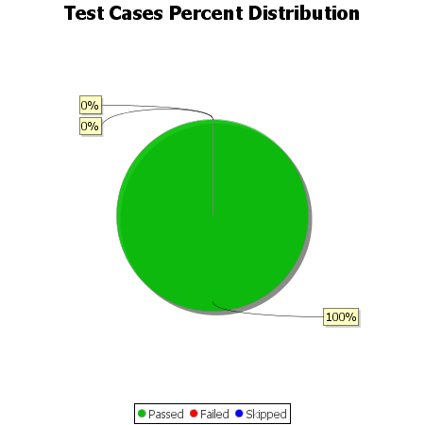
Total Test Cases | 12
Test Cases Passed | 12
Test Cases Failed | 0
Test Cases Skipped | 0

